Testcase 1
Test Case Sample

 | Test Designed by | Emil
 | Test Executed by | Emil
 | Test Title | Adding new student
 | Test Description

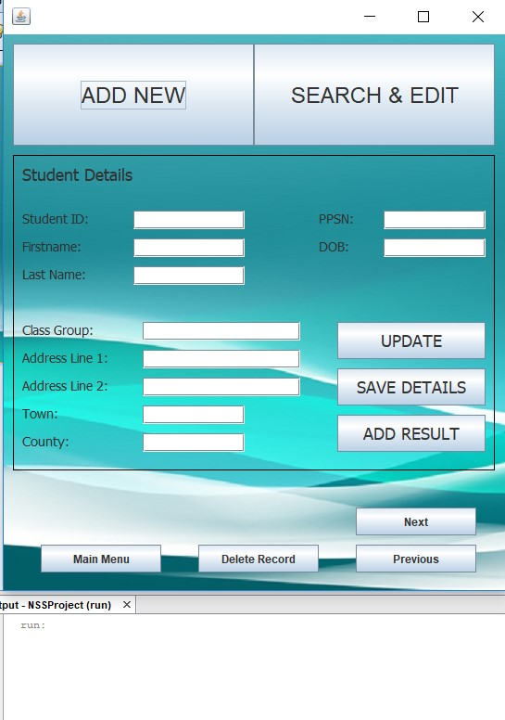
Step | Test Data | Expected Result | Numerical Result (if any) | Actual Result/Screenshot | Status (Pass/Fail) | Notes
1 | To test if I can add a new student | When I run the program i should see a main menu with all the functionality including button to add new student

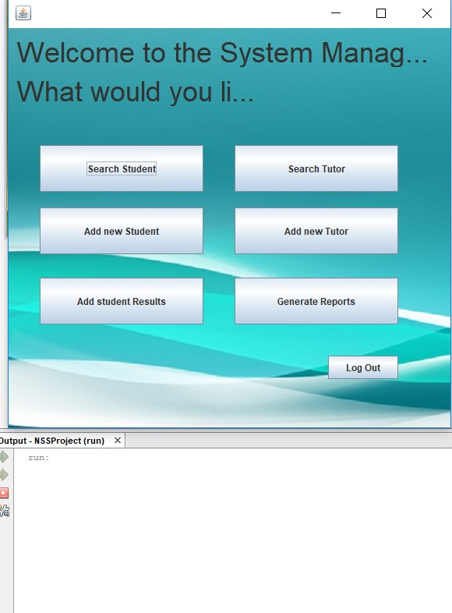
2 | Click on "Add new Student" button | I have to see a new windows which will alllowes me to insert information about student |  |  |  | There is probably a faulty GUI design, because when i clicked on button "Add new Student", the program has an extra button for adding a new student which is misleading for the user

3 | Click on "ADD NEW" | I have to see a new windows which will alllowes me to insert information about student |  | 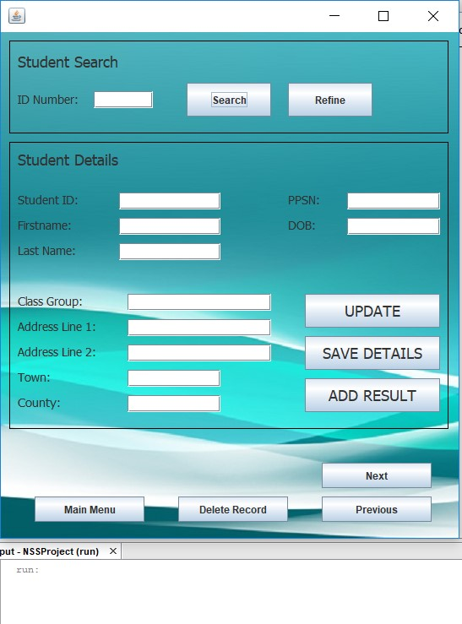 |  | There is probably a faulty GUI design, because when i clicked on button "Add new", the program lead me to a menu where i was able to search the students by id,all this should be hidden or the button "Add new" to lead us in another windows where we can acutually add new one.

4 | Add details about the students in the fields and click on "SAVE DETAILS" | I expect the Program to save the students that i import to be saved in the data base without error |  | 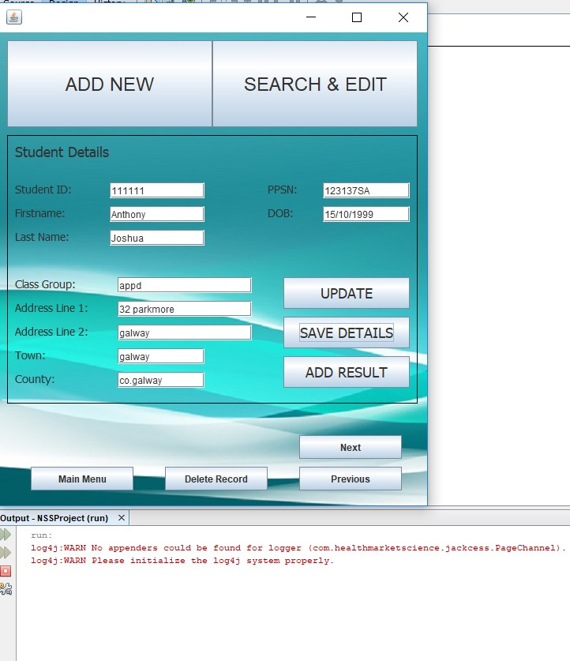

Test case 2
Test Case Sample

 | Test Designed by | Emil
 | Test Executed by | Emil
 | Test Title | Add new Tutor
 | Test Description

Step | Test Data | Expected Result | Numerical Result (if any) | Actual Result/Screenshot | Status (Pass/Fail) | Notes
1 | To test if i can add a new Tutor | When i run the program i should see a main menu with all the functionality including button to add new Tutor |  | 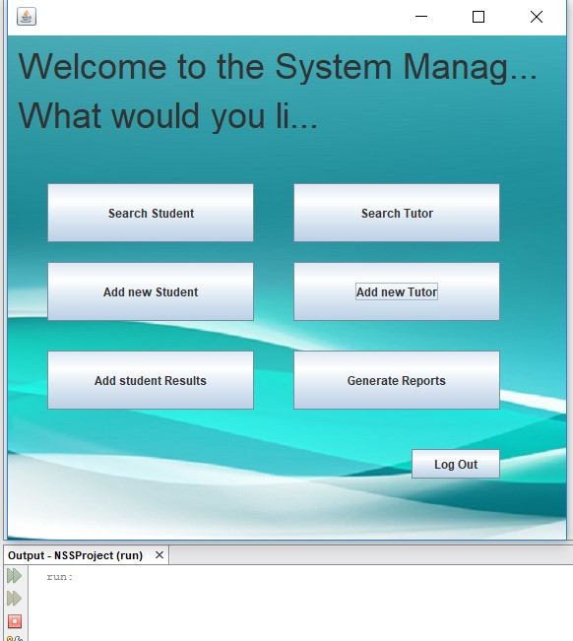

2 | Click on "Add new Tutor" button | I have to see a new windows which will alllowes me to insert information about student |  | 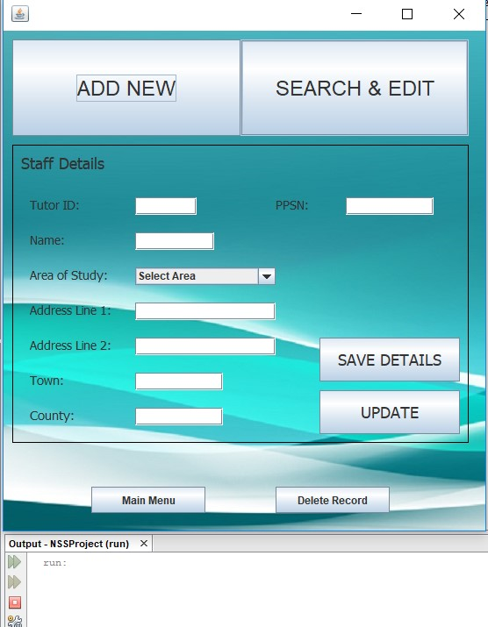 |  | There is probably a faulty GUI design, because when i clicked on button "Add new Tutor", the program has an extra button for adding a new tutor which is misleading for the user

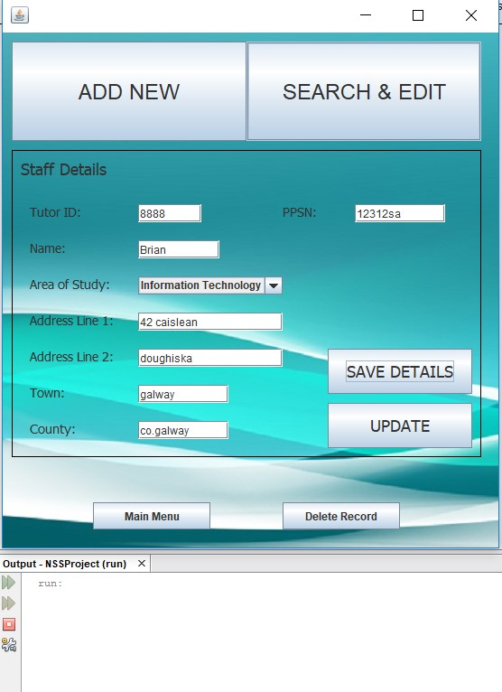
3 | Add details in about tutor and click on button "SAVE DETAILS" | I expect the Program to save the tutor that i trying to add to be saved in the data base without any errors. |  |  |  | There is some code which is missing because, when i tryed to save the details there wasn't any error and when i cheked the data base there wasn't any information about tutor that i tryed to save.

Test Case 3
Test Case Sample

 | Test Designed by | Emil
 | Test Executed by | Emil
 | Test Title | Generate Report for distinction
 | Test Description

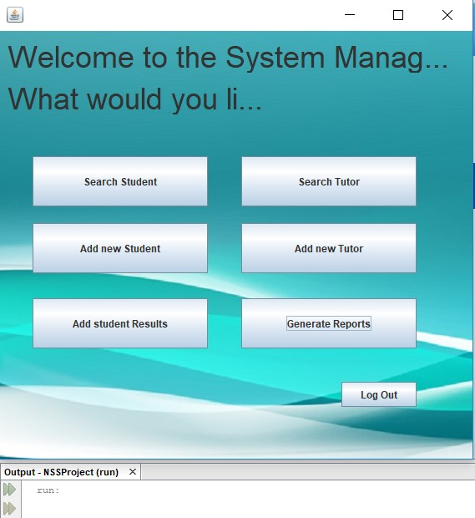
Step | Test Data | Expected Result | Numerical Result (if any) | Actual Result/Screenshot | Status (Pass/Fail) | Notes
1 | To test if i can generate report for distinction students | When i run the program i should see a main menu with all the functionality including button to Generate Reports

2 | Click on "Generate Reports" button | I have to see a new windows which will alllowes me to choose report for Destinction Student |  | 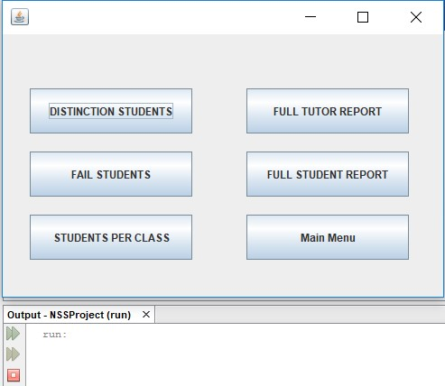

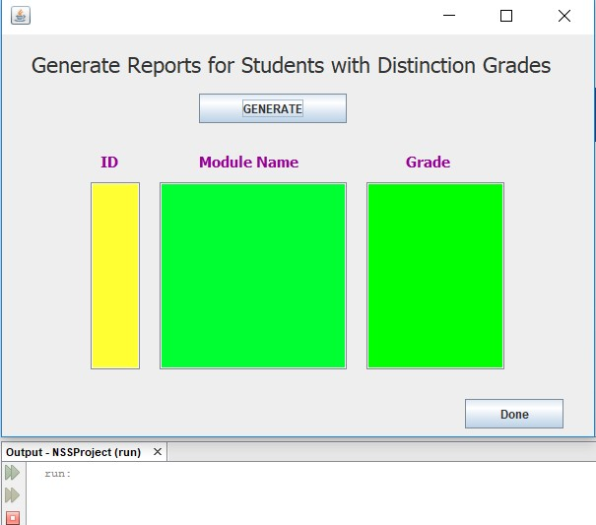
3 | Click on "DISTINCTION STUDENT'S" | I have to see a new windows which will alllowes me generate the report

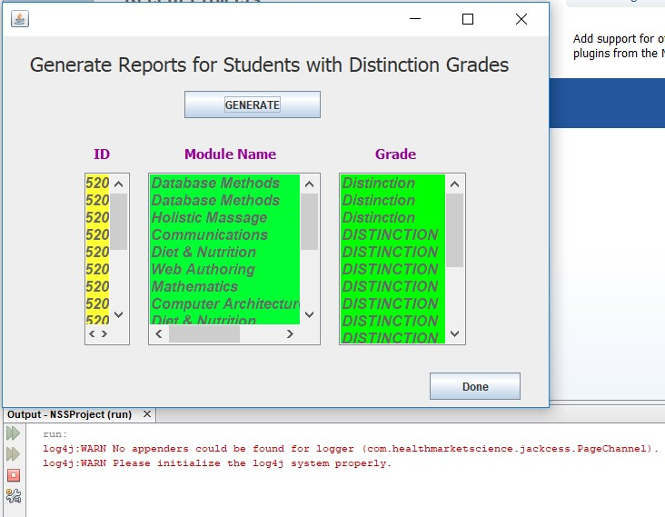
4 | Click on "Generate" Button | I expect the results to be printed in the window |  |  |  | There is faulty GUI, because the user can't see the whole ID number, it could be better if the ID windows was stretched. And there is an error about log4j librery

Test Case 4
Test Case Sample

 | Test Designed by | Emil
 | Test Executed by | Emil
 | Test Title | Searching for Tutor
 | Test Description

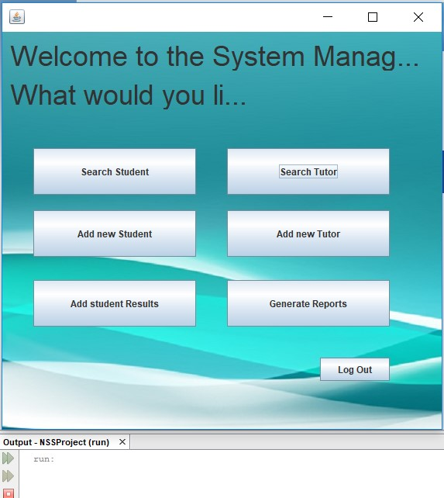
Step | Test Data | Expected Result | Numerical Result (if any) | Actual Result/Screenshot | Status (Pass/Fail) | Notes
1 | To test if i can search for tutor | When i run the program i should see a main menu with all the functionality including button to search for Tutor

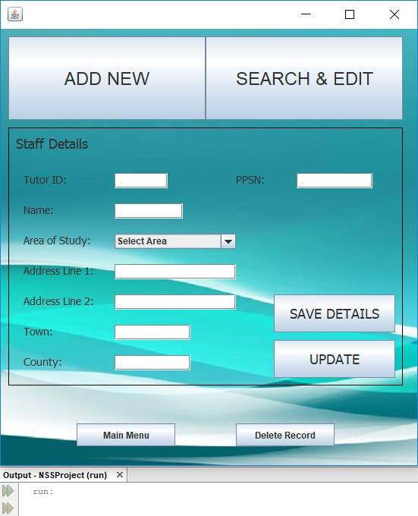
2 | Click on "Search Tutor" button | I have to see a new windows which will alllowes me to search for Tutor |  |  |  | There is probably a faulty GUI design, because when i clicked on button "Search Tutor", the program lead me to windows with an extra button for searching a new student which s misleading for the user, also there was a option to edit and add new tutor which is faulty.

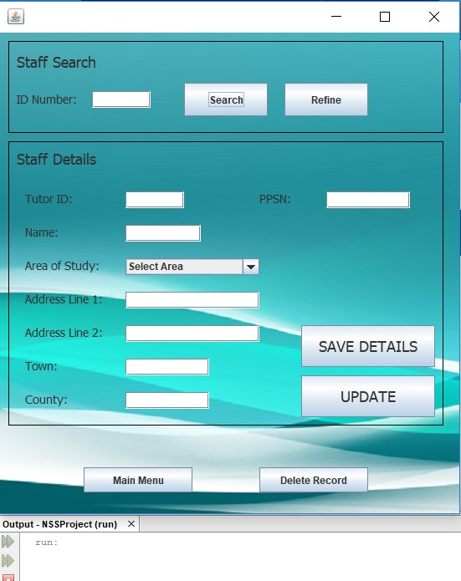
3 | Click on "SEARCH & EDIT" | I have to see a new windows which will alllowes me to search for tutor.

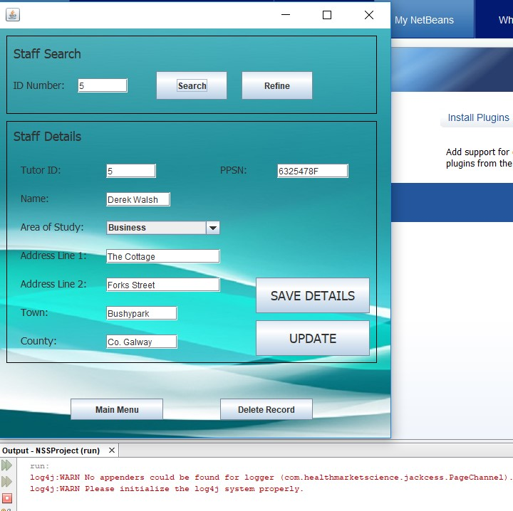
4 | To insert "5" as a Tutor ID and click "Search" button | I expect to see the details showed in the boxes for Tutor with ID 5

Test Case 5
Test Case Sample

 | Test Designed by | Emil
 | Test Executed by | Emil
 | Test Title | Add Student Result
 | Test Description

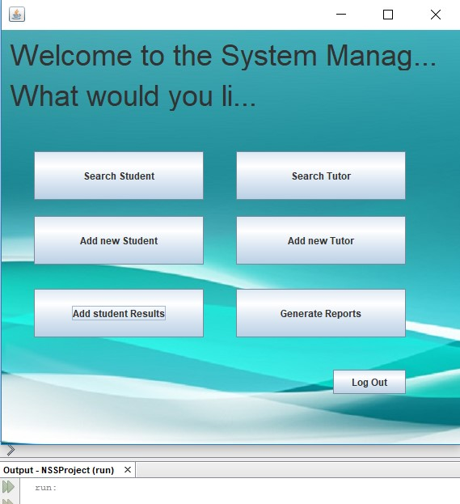
Step | Test Data | Expected Result | Numerical Result (if any) | Actual Result/Screenshot | Status (Pass/Fail) | Notes
1 | To test if i can add student result | When i run the program i should see a main menu with all the functionality including button to add a result for student

2 | Click on "Add student Results" button | I have to see a new windows which will alllowes me to insert data for students results |  |  |  | There is probably a faulty GUI design, because when i clicked on button "Add student Results", the program has an extra faulty window and i had to click on ADD RESULT, which is not nessery. It will be better if it just leaded me to the screen to add the results.

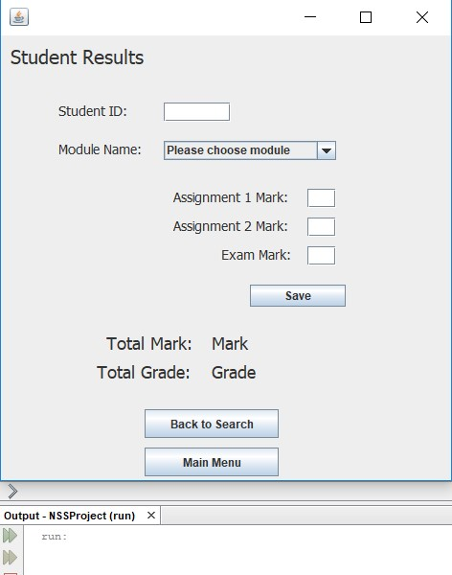
3 | Click on "ADD RESULT" | I have to see a new windows which will alllowes me to insert information for student results

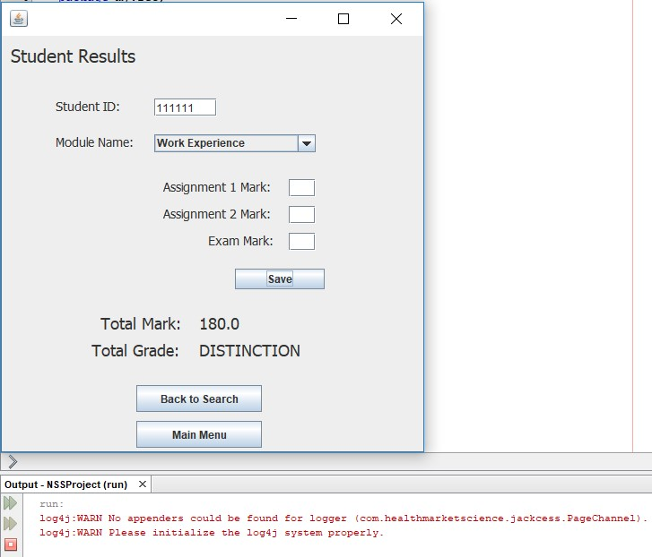
4 | Filled up the field and click save | I expect the results to be added to the database

